Table 2
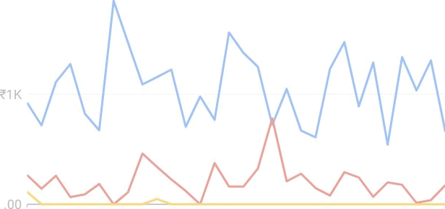 Daily Cost by Device ?2K ¢0 Set 29, 2024 | O 28,2024 | Last 30 days Cost - Mobile phones Computers " Tablets | We've built this starter dashboard for your account to show you what's possible with Google Ads dashboards. Feel free to customise this dashboard to suit your needs, or delete it entirely.

Table 5
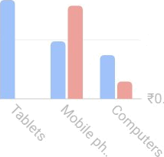 40 00/ 20.00›: 000\ | 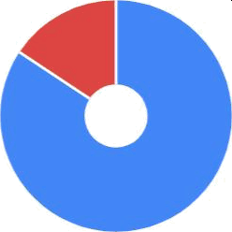 ¢40K F20K 00

